Image Example


Image Examples

Feminine Care
Requirements: primary image (front), back, right side, left side
Product UPC Ex: 012345678912

Original Folder
Primary Image: front/main product image | Seconday image: Back
12345678912.jpg | 12345678912_2.jpg
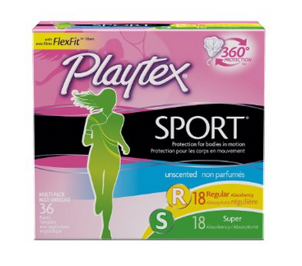


Thrid image: Right side | Fourth image: Left side
12345678912_3.jpg | 12345678912_4.jpg

